Instructions
Step 1 | Download the latest version of SolverStudio from www.solverstudio.org and install it.
Click here on www.solverstudio.org to download SolverStudio

Step 2 | Copy and paste your student data into the appropriate place in the "StudentDataEntry" sheet.
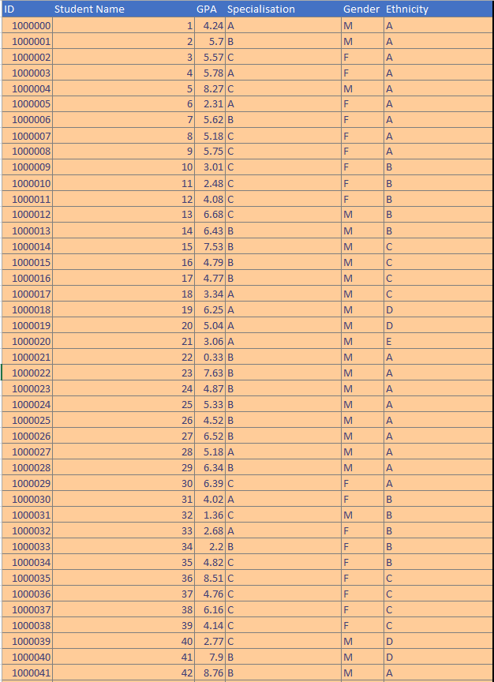

Step 3 | Under "Options" enter the number of groups you wish to make and the time limit in seconds for running the optimisation (default is 60 seconds)

Step 4 | Check that all the data checks have passed. All checks should say "Yes". If you see a "No"' then you may need to check your data for missing entries, invalid entries etc.
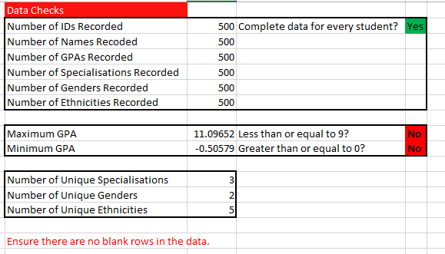

Step 5 | Click "Solve Model" under the "Data" tab in the ribbon at the top of the window. The optimisation will begun to run and may take some time. You will receive a message indicating that the optimisation is running, and a terminal window may appear showing output of the model. Excel may slow down during this process. This is normal. Note: You must be on the "StudentDataEntry" sheet in order to click "Solve Model" and have the optimisation run.

Step 6 | When the optimisation has finished running you will automatically be taken to the SummaryResults sheet containing tables of results. You will also find sheets start with "g_". These are charts that you can look at to easily see the quality of the solution provided by the optimisation. In addition, a PDF will have been printed and placed in the same directory as this file. This PDF will contain a list of all the groups and the students in each so that you can easily share the allocations with others.

g_GPA
Mean GPA and Variance of GPA
 | GPA | GPA Variance
1 | 5.01 | 0.99
2 | 4.95 | 1.06
3 | 4.99 | 0.96
4 | 4.99 | 1.14
5 | 4.92 | 1.09
6 | 5.02 | 1.05
7 | 4.96 | 1.00
8 | 4.92 | 1.05
9 | 4.97 | 1.05
10 | 4.90 | 1.15
11 | 4.98 | 1.14
12 | 4.97 | 1.15
13 | 4.99 | 1.04
14 | 5.00 | 1.01
15 | 5.02 | 1.00
16 | 4.95 | 1.12
17 | 4.94 | 0.99
18 | 5.00 | 1.10
19 | 4.99 | 1.09
20 | 5.00 | 0.97
21 | 4.97 | 1.03
22 | 4.93 | 0.95
23 | 4.91 | 1.06
24 | 4.94 | 1.10
25 | 5.02 | 0.97

g_Gender
Number of Males and Females in each group
 | Male | Female
1 | 22 | 5
2 | 21 | 6
3 | 21 | 6
4 | 20 | 7
5 | 22 | 5
6 | 22 | 5
7 | 22 | 5
8 | 22 | 5
9 | 21 | 6
10 | 21 | 6
11 | 22 | 5
12 | 22 | 5
13 | 22 | 5
14 | 22 | 5
15 | 22 | 5
16 | 23 | 5
17 | 23 | 5
18 | 21 | 7
19 | 21 | 7
20 | 23 | 5
21 | 23 | 5
22 | 22 | 6
23 | 23 | 5
24 | 23 | 5
25 | 23 | 5

g_Engineering Science_spec
Number from Engineering Science in each group
 | Engineering Science
1 | 1
2 | 5
3 | 1
4 | 1
5 | 2
6 | 1
7 | 2
8 | 1
9 | 1
10 | 1
11 | 1
12 | 1
13 | 2
14 | 2
15 | 2
16 | 1
17 | 1
18 | 1
19 | 2
20 | 1
21 | 2
22 | 1
23 | 1
24 | 1
25 | 1

g_Mechatronics_spec
Number from Mechatronics in each group
 | Mechatronics
1 | 3
2 | 2
3 | 2
4 | 4
5 | 4
6 | 3
7 | 3
8 | 2
9 | 3
10 | 6
11 | 2
12 | 2
13 | 3
14 | 3
15 | 3
16 | 3
17 | 2
18 | 3
19 | 4
20 | 3
21 | 2
22 | 3
23 | 3
24 | 3
25 | 2

g_Mechanical_spec
Number from Mechanical in each group
 | Mechanical
1 | 5
2 | 3
3 | 6
4 | 3
5 | 3
6 | 3
7 | 3
8 | 3
9 | 4
10 | 3
11 | 3
12 | 3
13 | 4
14 | 3
15 | 4
16 | 3
17 | 5
18 | 6
19 | 4
20 | 4
21 | 3
22 | 4
23 | 3
24 | 6
25 | 4

g_Civil_spec
Number from Civil in each group
 | Civil
1 | 8
2 | 7
3 | 7
4 | 7
5 | 7
6 | 7
7 | 8
8 | 8
9 | 8
10 | 7
11 | 8
12 | 11
13 | 7
14 | 9
15 | 7
16 | 8
17 | 8
18 | 7
19 | 7
20 | 9
21 | 8
22 | 9
23 | 10
24 | 7
25 | 7

g_Computer systems_spec
Number from Computer systems in each group
 | Computer systems
1 | 2
2 | 2
3 | 2
4 | 2
5 | 2
6 | 2
7 | 2
8 | 2
9 | 2
10 | 2
11 | 2
12 | 2
13 | 2
14 | 2
15 | 2
16 | 2
17 | 3
18 | 2
19 | 2
20 | 2
21 | 2
22 | 2
23 | 2
24 | 3
25 | 2

g_Software_spec
Number from Software in each group
 | Software
1 | 1
2 | 1
3 | 1
4 | 3
5 | 2
6 | 3
7 | 1
8 | 3
9 | 1
10 | 1
11 | 1
12 | 1
13 | 2
14 | 1
15 | 1
16 | 3
17 | 2
18 | 2
19 | 1
20 | 1
21 | 2
22 | 2
23 | 2
24 | 1
25 | 3

g_Electrical_spec
Number from Electrical in each group
 | Electrical
1 | 4
2 | 4
3 | 4
4 | 4
5 | 4
6 | 4
7 | 4
8 | 5
9 | 4
10 | 4
11 | 5
12 | 4
13 | 4
14 | 4
15 | 4
16 | 4
17 | 4
18 | 4
19 | 5
20 | 4
21 | 6
22 | 4
23 | 4
24 | 4
25 | 6

g_Biomedical_spec
Number from Biomedical in each group
 | Biomedical
1 | 1
2 | 1
3 | 2
4 | 1
5 | 1
6 | 1
7 | 1
8 | 1
9 | 2
10 | 1
11 | 2
12 | 1
13 | 1
14 | 1
15 | 2
16 | 1
17 | 1
18 | 1
19 | 1
20 | 2
21 | 1
22 | 1
23 | 1
24 | 1
25 | 1

g_Chemmat_spec
Number from Chemmat in each group
 | Chemmat
1 | 2
2 | 2
3 | 2
4 | 2
5 | 2
6 | 3
7 | 3
8 | 2
9 | 2
10 | 2
11 | 3
12 | 2
13 | 2
14 | 2
15 | 2
16 | 3
17 | 2
18 | 2
19 | 2
20 | 2
21 | 2
22 | 2
23 | 2
24 | 2
25 | 2

g_European_eth
Number of European in each group
 | European
1 | 14
2 | 14
3 | 14
4 | 14
5 | 14
6 | 14
7 | 14
8 | 14
9 | 14
10 | 14
11 | 14
12 | 14
13 | 14
14 | 14
15 | 14
16 | 14
17 | 14
18 | 14
19 | 14
20 | 14
21 | 14
22 | 14
23 | 14
24 | 14
25 | 14

g_Indian_eth
Number of Indian in each group
 | Indian
1 | 6
2 | 5
3 | 5
4 | 5
5 | 5
6 | 5
7 | 5
8 | 5
9 | 5
10 | 6
11 | 6
12 | 5
13 | 5
14 | 5
15 | 5
16 | 7
17 | 5
18 | 5
19 | 5
20 | 5
21 | 5
22 | 7
23 | 5
24 | 5
25 | 5

g_Pacific_eth
Number of Pacific in each group
 | Pacific
1 | 2
2 | 2
3 | 2
4 | 2
5 | 3
6 | 3
7 | 3
8 | 3
9 | 3
10 | 2
11 | 2
12 | 3
13 | 3
14 | 3
15 | 3
16 | 2
17 | 2
18 | 4
19 | 3
20 | 3
21 | 3
22 | 2
23 | 4
24 | 4
25 | 3

g_Asian_eth
Number of Asian in each group
 | Asian
1 | 5
2 | 6
3 | 6
4 | 6
5 | 5
6 | 5
7 | 5
8 | 5
9 | 5
10 | 5
11 | 5
12 | 5
13 | 5
14 | 5
15 | 5
16 | 5
17 | 7
18 | 5
19 | 6
20 | 6
21 | 6
22 | 5
23 | 5
24 | 5
25 | 6

